7(Analytics)
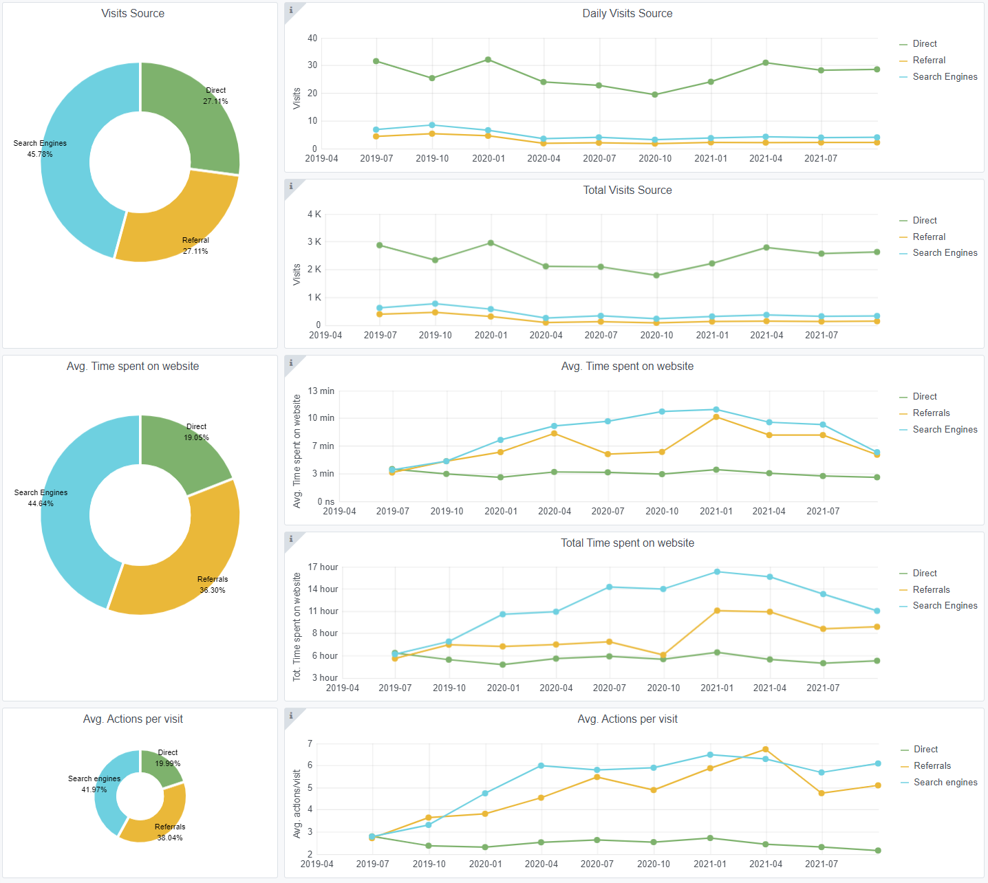
Copy-paste screenshots of the graphs of the information from dashboard
Indicator 7: Portal & Social Media visibility
7.1 Visibility & Analytics (Portal overview)
Reporting date | Portal name | Analytics tool
2021-10-15 | Seabed Habitats | Matomo
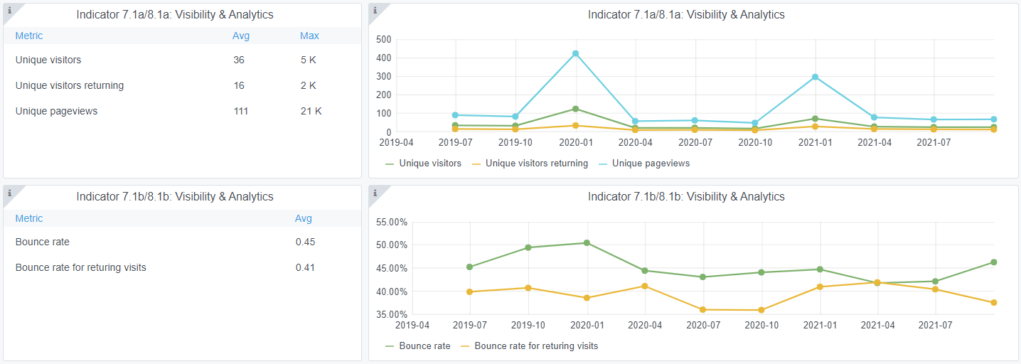

7.2 SEO assessment - Acquisitions
Reporting date | Portal name | Analytics tool
2021-10-15 | Seabed Habitats | Matomo

9-10-11(User stats)
Copy-paste screenshots of the graphs of the information from dashboard
Please refer to "Explanation of the trends and statistics" below
Indicator 9: Visibility & Analytics for web pages
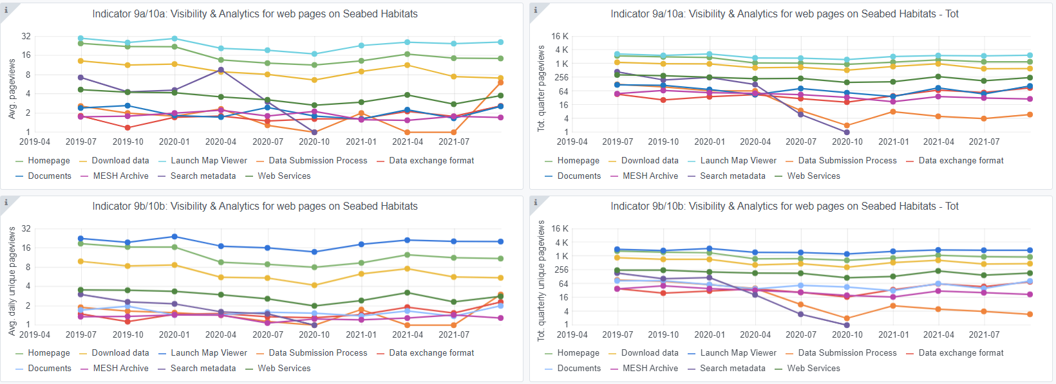

Indicator 10: Visibility & Analytics for web sections
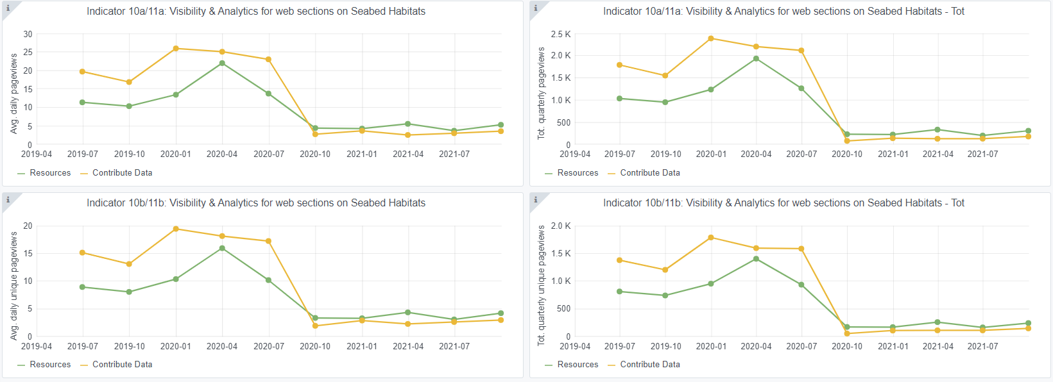

Indicator 11: Average visit duration for web pages

Explanation of the trends and statistics
9) Visibility & analytics for web pages | Page views generally consistent. Slight increase in Data Exchange formats, counteracting previous quarter's decline - matches well with volume of data submitted.
10) Visibility & analytics for web sections | Remains consistent for the past year.
11) Average visit duration for web pages | Generally consistent. Time on DEF page remains high, which is a positive denoting deep reading of standards. Increase of web services pages is marginally higher, possibly users attempting to reconnect to new service URLS.

