7(Analytics)
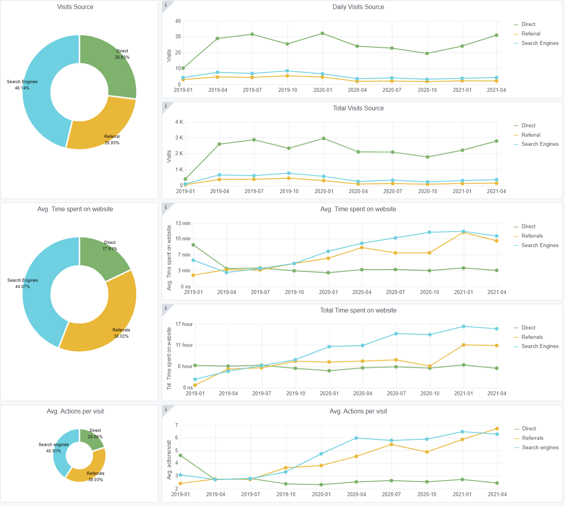
Copy-paste screenshots of the graphs of the information from dashboard
Indicator 7: Portal & Social Media visibility
7.1 Visibility & Analytics (Portal overview)
Reporting date | Portal name | Analytics tool
2021-04-15 | Seabed Habitats | Matomo
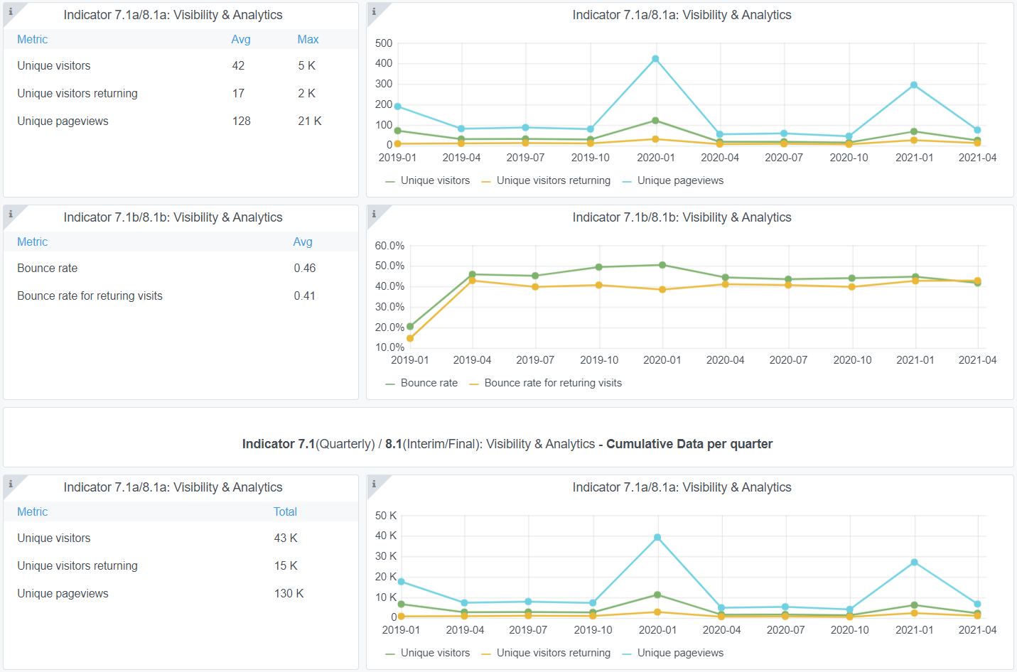

7.2 SEO assessment - Acquisitions
Reporting date | Portal name | Analytics tool
2021-04-15 | Seabed Habitats | Matomo

9-10-11(User stats)
Copy-paste screenshots of the graphs of the information from dashboard
Please refer to "Explanation of the trends and statistics" below
Indicator 9: Visibility & Analytics for web pages

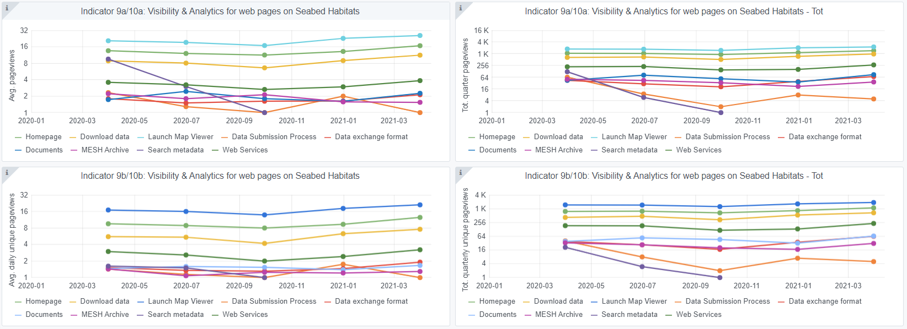

Indicator 10: Visibility & Analytics for web sections

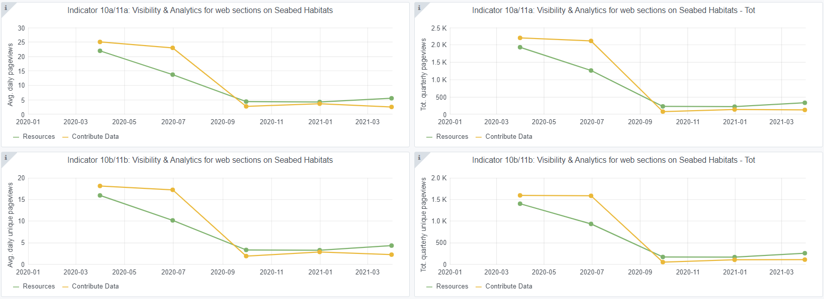

Indicator 11: Average visit duration for web pages

Explanation of the trends and statistics
9) Visibility & analytics for web pages | Generally remaining stable in comparison to previous quarters, consistent user interaction with portal
10) Visibility & analytics for web sections | Similarly stable in comparison to previous reporting period, no significant trends observed.
11) Average visit duration for web pages | Time on data submission process remains high, tying in with new suppliers reading the process in earnest to ensure data are delivered correctly. Other pages showing a marked decrease in duration. Potentially browsing fo new content but website is generally static.

