10-12
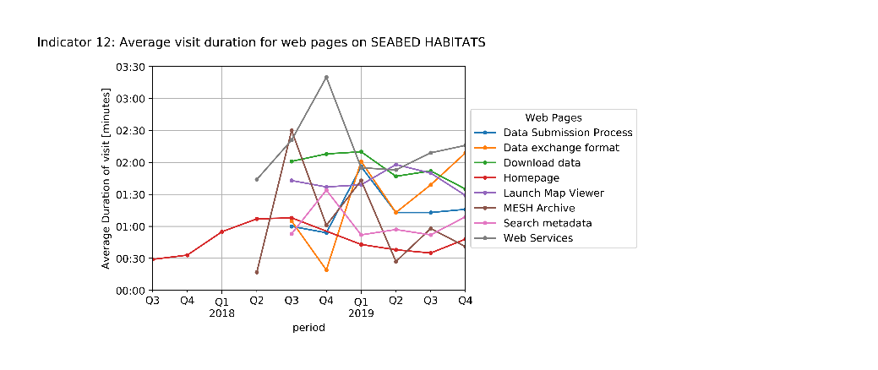
Indicator 10. Visibility & Analytics for web pages

Indicator 11. Visibility & Analytics for web sections

Indicator 12. Average visit duration for web pages

